Sheet1
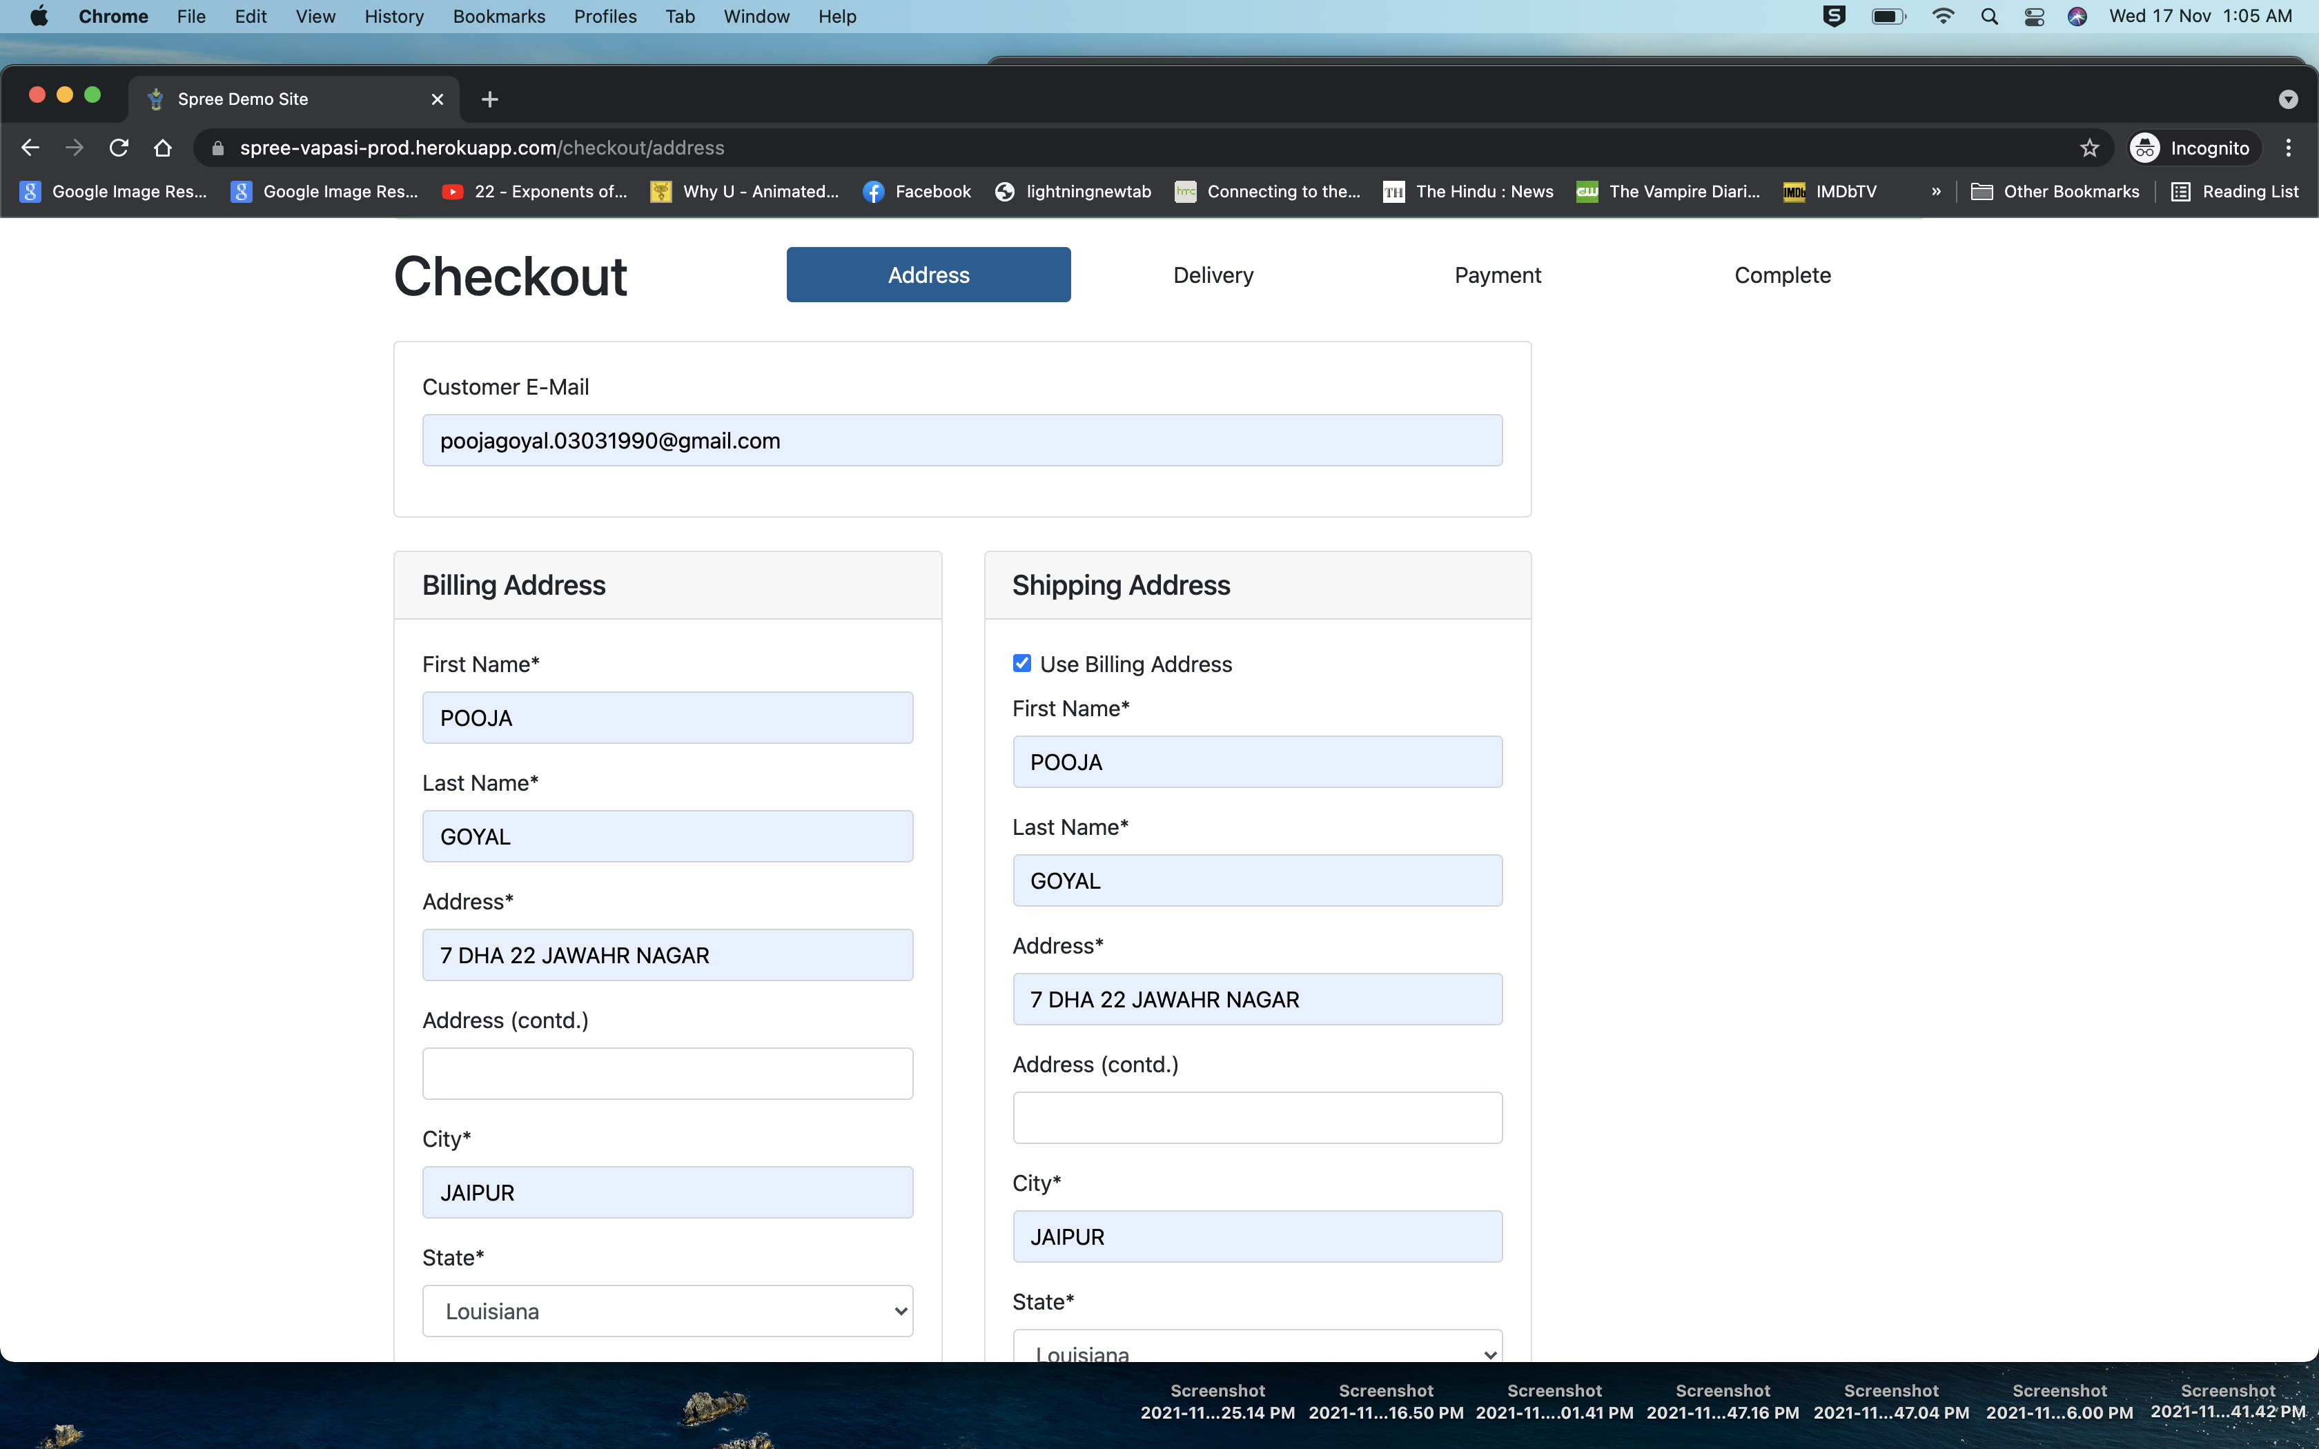
Defect Summary for Spree application: https://spree-vapasi-prod.herokuapp.com/

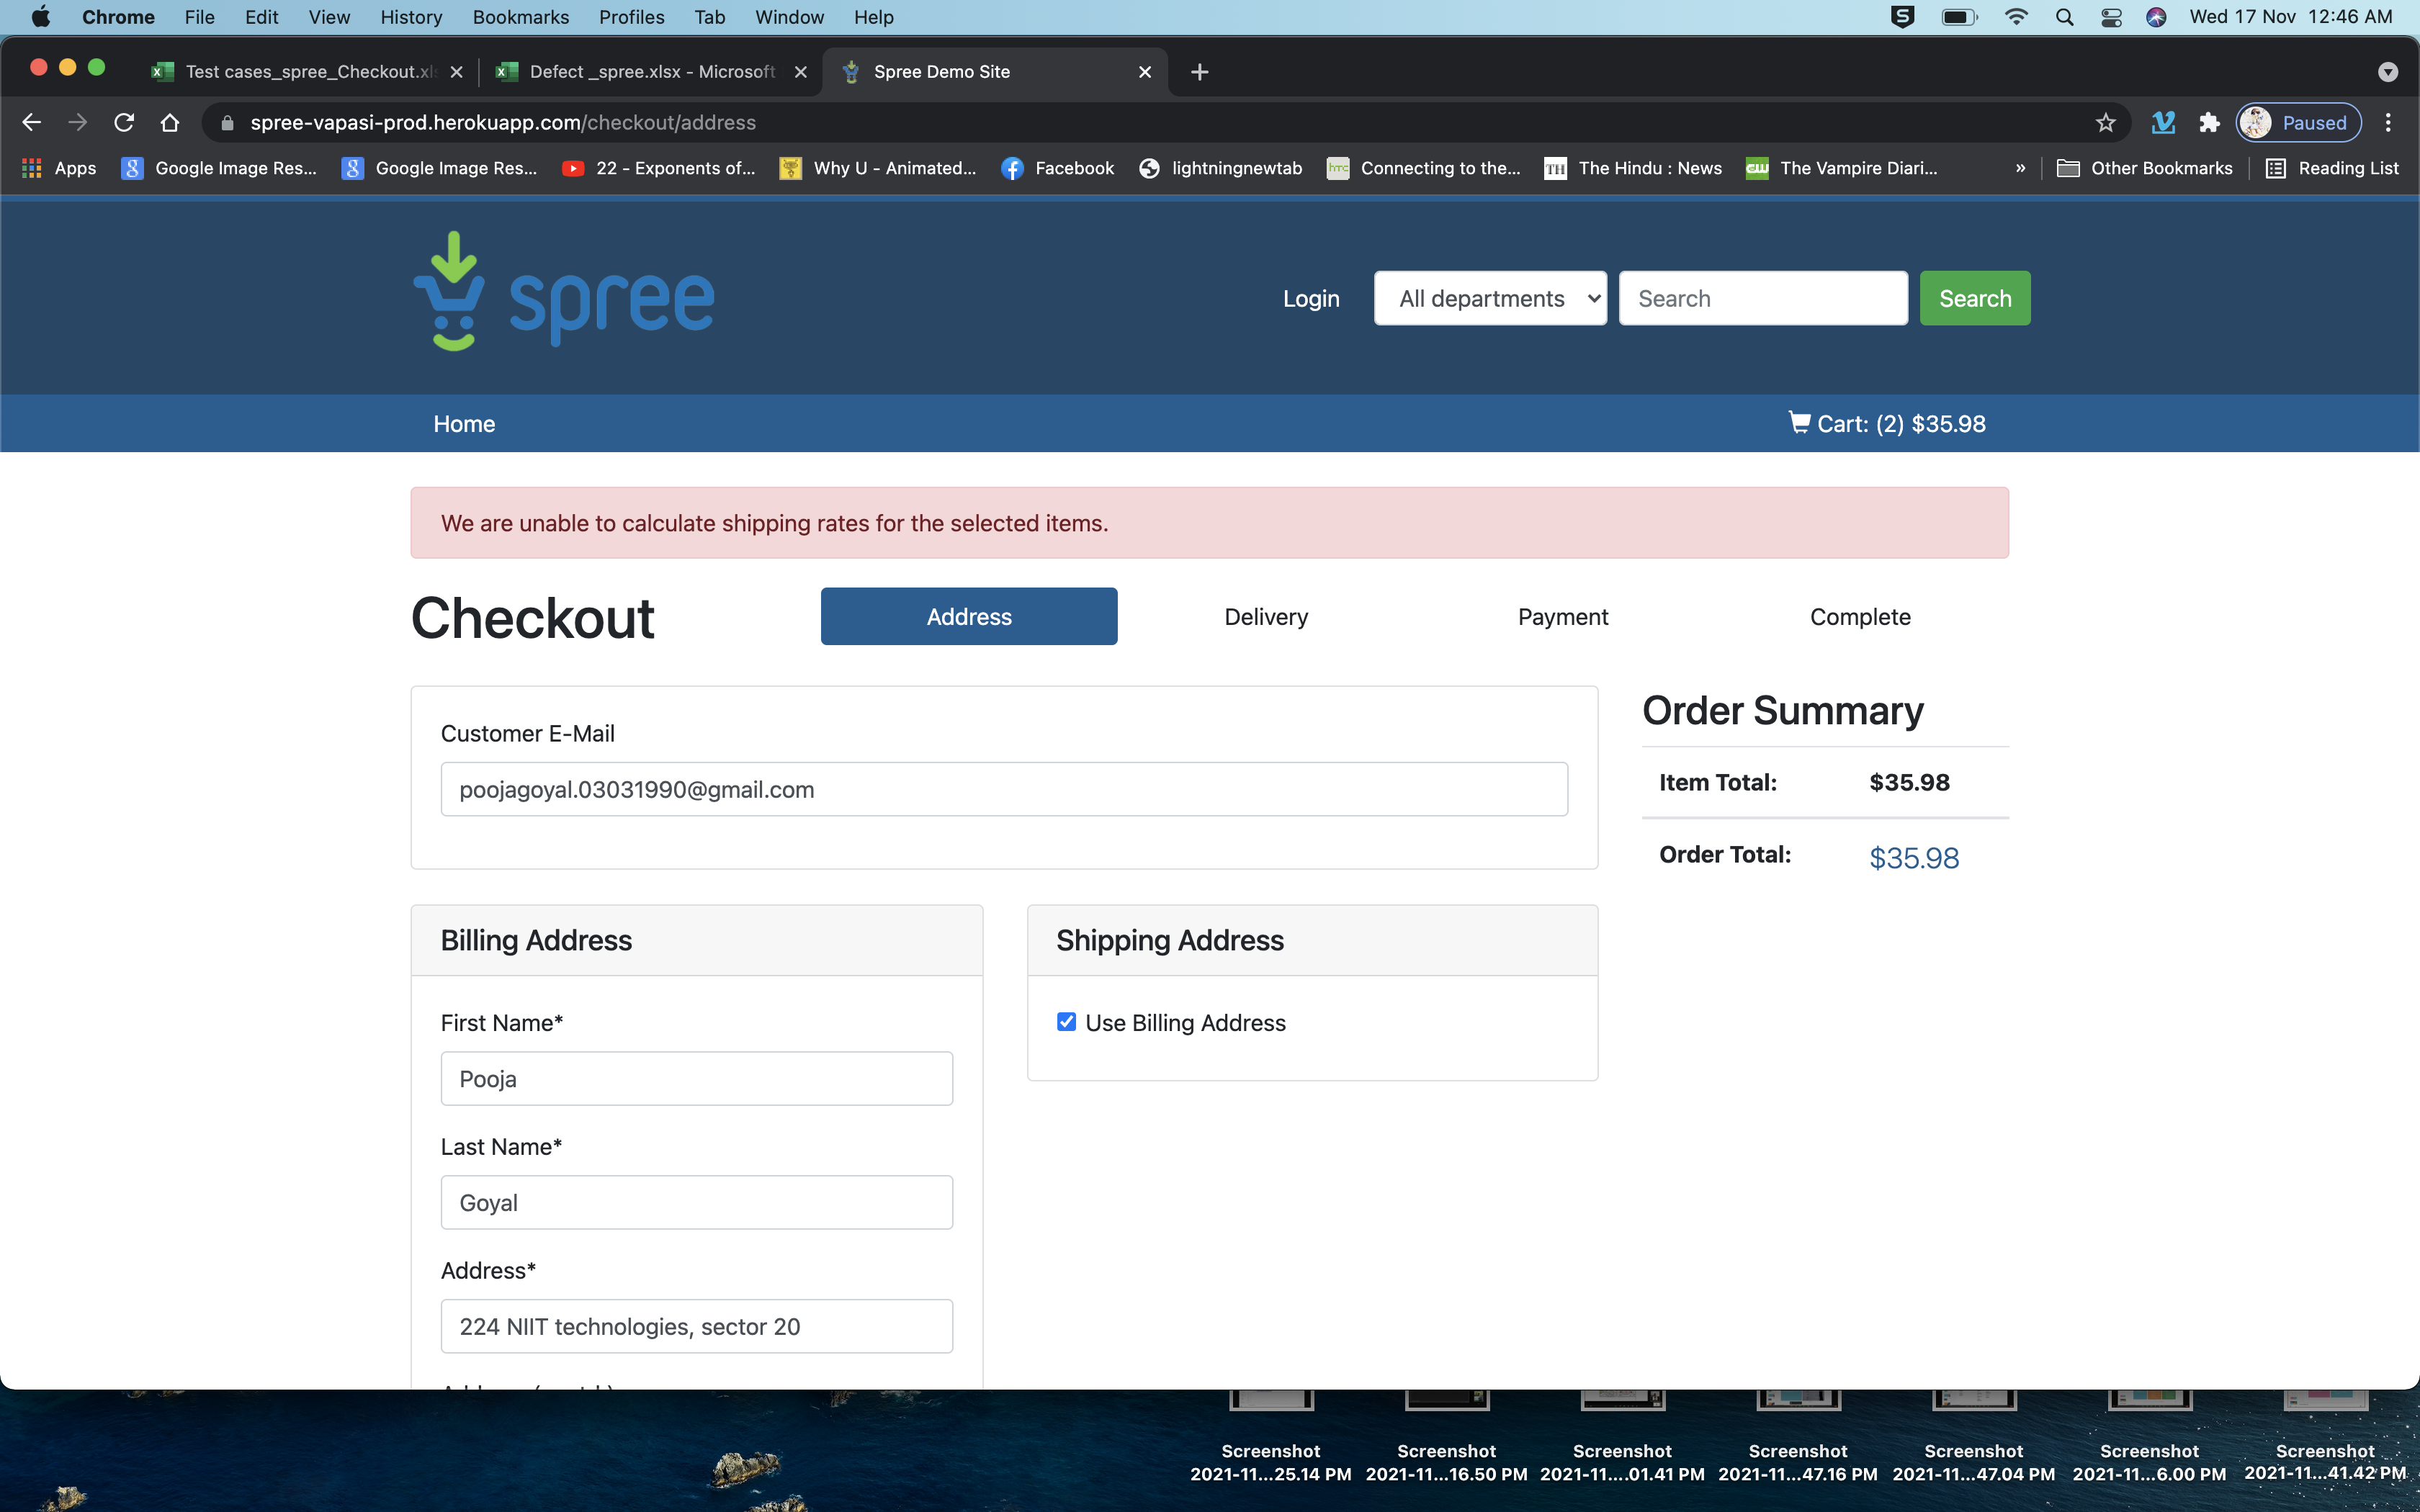
 | Description | Severity | Priority | Steps to reproduce | Actual results | Expected Results | Environment | Test data | Product Version | Screenshots
 | Unable to punch in address in chrome browser and proceed in checkout | High | High | 1. Visit spree-vapasi-prod.herokuapp.com 2. Add a product to cart. 3. Click on checkout. 4. Checkout as guest user or existing or new user. 5. On Checkout address page fill in user shipping and billing address details 6. Click on save and contiue | User when enters address details is unable to checkout | User is able to enter address details and checkout
Common on opera and chrome | Coupon format not mentioned | Medium | Low
 | In search when we randomly type a category or brand name no error message displayed | Low | Low
 | Some product properties not visible | Medium | Medium
 | In opera incorrect Phone number format accepted while etering user details | High | High

